Sheet1
5 Bars Mechanism Inverse Kinematics
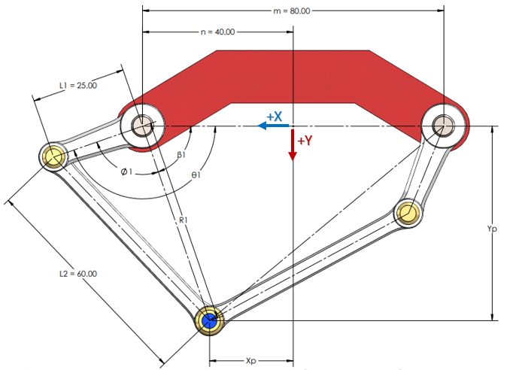

 |  |  |  |  |  |  |  |  |  |  |  | 27.492

Inputs |  | Constants |  |  |  | Variables |  |  |  |  |  | Outputs
Xp | Yp | m | n | L1 | L2 | R1 | R2 | Ø1 | Ø2 | β1 | β2 | θ1 | θ2
0 | 9.5 | 8 | 4 | 12 | 16 | 10.307764064 | 10.307764064 | 91.33 | 91.331845591 | 67.166345822 | 67.166345822 | 158.50 | 158.49819141

